Summary Teams
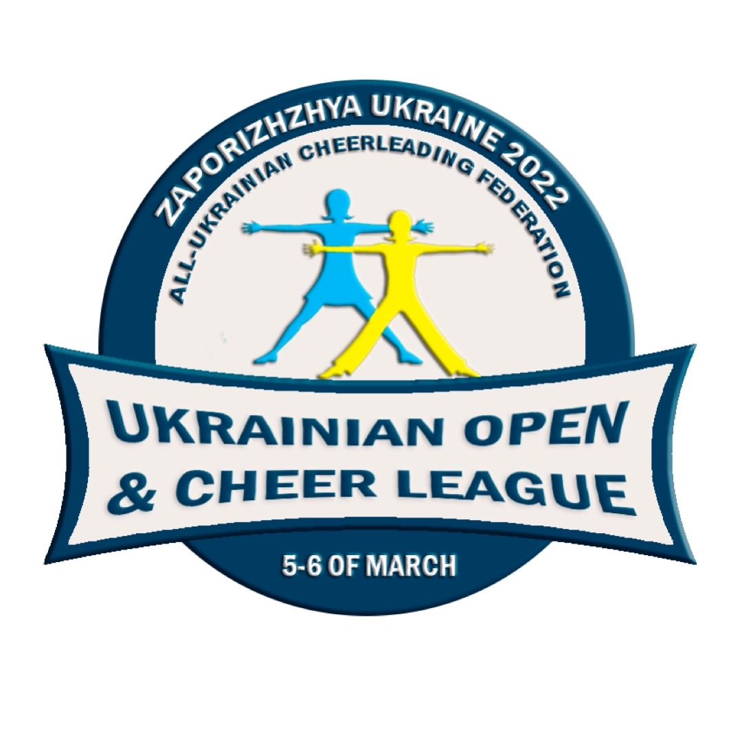
 |  |  | HOW TO FILL IN THE REGISTRATION FORM - please read this information before filling, thank you.

 |  |  | The participant fee is 25 euros for each person on the TEAMS' list (competitors, substitutes and coaches + other entourage).
 |  |  | The participant fee is 35 euros for each person on the DOUBLES list.
 |  |  | The participant fee is 35 euros for each athlete on the SOLO list.
 |  |  | The registration must be filed in on 25th February 2022 at the latest.
 |  |  | Every change in the registration after 15th February is 25 euros extra/change (person change, name change etc.) so please pay attention to your registration form.
Country: |  |  | In case of delayed registration the participant fee is 35 euros for each person in team list (competitors, substitutes and coaches + other entourage).
Federation Name:
Club Name:
Address:
Address: |  |  | Fill in Attendee's details as requested: surname, first name, date of birth and nationality.
ZIP Code: |  |  | Fill in column */additional team if the participant is attending multiple divisions/teams. Please note that the multiple division
City: |  |  | attendee's name has to be filled in on every team's registration sheet where the same person is participating.
E-mail: |  |  | Please fill the attendees in an alphabetical order with last name in every section (Competitors, Substitutes and Entourage).
Phone: |  |  | Save the file with name formed: "CheerLeague_Federation _TeamName". Please send only Excel files.
VAT Number:
Contact Person Name : |  |  | Please note that the registration form/forms must come from your CLUB and all participant fees will be invoiced in advance to your own CLUB! You can send multiple registration forms per club.
E-mail: |  |  | All changes after initial registration must be marked in red text.
Phone: |  |  | Please e-mail the registration form to the HOST office: cheer.ukraine@gmail.com
 |  |  | SPECIAL NOTE: Please spend some time to read the Data Protection rules, found in "GDPR" page of this registration form, where your consent is needed if possible, in order to ensure the smooth conduct of the competition in all aspects.

Please fill in only this colour boxes on this page.

Divisions to attend (number of teams) and total number of Attendees (competitors, substitutes + coaches and other entourage) per category:

 |  | Teams |  | Attendees |  |  | Doubles | Attendees
 | (CL)Cheerleading – Team Coed Premier, Senior |  |  |  |  | (CL)Performance Cheer – Doubles Cheer Freestyle Pom, Senior *
 | (CL)Cheerleading – Team All Girl Premier, Senior |  |  |  |  | (CL)Performance Cheer – Doubles Cheer Hip Hop, Senior *
 | (CL)Performance Cheer – Team Cheer Freestyle Pom, Senior |  |  |  |  | Performance Cheer – Doubles Cheer Jazz, Senior *
 | Performance Cheer - Team Jazz, Senior |  |  |  |  | (CL)Performance Cheer – Doubles Cheer Freestyle Pom, Junior *
 | Performance Cheer - Team Hip-Hop, Senior |  |  |  |  | (CL)Performance Cheer – Doubles Cheer Hip Hop, Junior *
 | (CL)Cheerleading – Team Coed Elite, Junior |  |  |  |  | Performance Cheer – Doubles Cheer Jazz, Junior *
 | (CL)Cheerleading – Team All Girl Elite, Junior
 | (CL)Performance Cheer – Team Cheer Freestyle Pom, Junior
 | Performance Cheer - Team Jazz, Junior
 | Performance Cheer - Team Hip-Hop, Junior

 | Performance Cheer – Solo Jazz, Senior |  |  |  |  | Performance Cheer – Solo Hip-Hop, Senior
 | Performance Cheer – Solo Jazz, Junior |  |  |  |  | Performance Cheer – Solo Hip-Hop, Junior
 | Performance Cheer – Solo Jazz, 8 - 12 |  |  |  |  | Performance Cheer – Solo Hip-Hop, 8 - 12
 | Performance Cheer – Solo Jazz, 5 - 8 |  |  |  |  | Performance Cheer – Solo Hip-Hop, 5 - 8

 | Performance Cheer – Solo Freestyle Pom, Senior
 | Performance Cheer – Solo Freestyle Pom, Junior
 | Performance Cheer – Solo Freestyle Pom, 8-12
 | Performance Cheer – Solo Freestyle Pom, 5-8

 |  |  |  |  |  | *The registration fee is 25 euros per athlete for each double , when the athletes also participate in team routines . In any other case, the registration fee is 35 euros.
 | Total attendees in all categories: | Teams |  | Attendees
 | Teams | 0 |  | 0
 | Doubles | 0 |  | 0
 | Solo | 0 |  | 0

 | Total number of Attendees (Teams) Ukrainian Open & Cheerleague 2022: |  |  | 0 | Do not fill - calculates automatically!
 | Total amount for Team Participant Fees: |  |  | - € | Do not fill - calculates automatically!

 | Total number of Attendees (Doubles) Ukrainian Open & Cheerleague 2022: |  |  | 0 | Do not fill - calculates automatically!
 | Total amount for Doubles Participant Fees: |  |  | - € | Do not fill - calculates automatically!

 | Total number of Attendees (Solo) Ukrainian Open & Cheerleague 2022: |  |  | 0 | Do not fill - calculates automatically!
 | Total amount for Solo Participant Fees: |  |  | - € | Do not fill - calculates automatically!

 |  | General Total |  | - € | Do not fill - calculates automatically!

GDPR
Data Protection Policy (GDPR)
We care for the privacy of all competitors.
The information submitted in this form will be used solely for the purpose of organising the Ukrainian Open and ECU Cheer League 2022 and will be kept for archiving purposes (names, birth date, competition divisions, club, country).
By sending this registration form, your Club and its representatinve agree - on behalf of all the athletes included in this form - that the All-Ukrainian Cheerleading Federation keeps the competitor's information for archiving purposes after the competition .
Moreover, the Club and its representative - on behalf of all the athletes included in this registration form - give the right and permission of the free use of their athletes' image from the Mass Media to the All-Ukrainian Cheerleading Federation and the sponsors for promotional purposes, as well as for the notification of the athletic authorities in charge.
Club Name :
Club Representative's
Full Name*:
* The Club Representantive can be the Contact Person that is written in the first page of this form.

